Sheet2
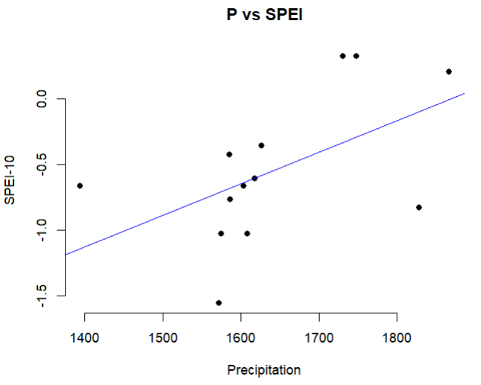
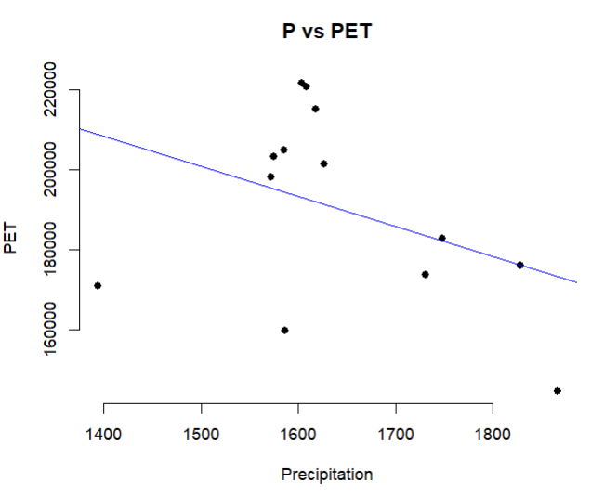
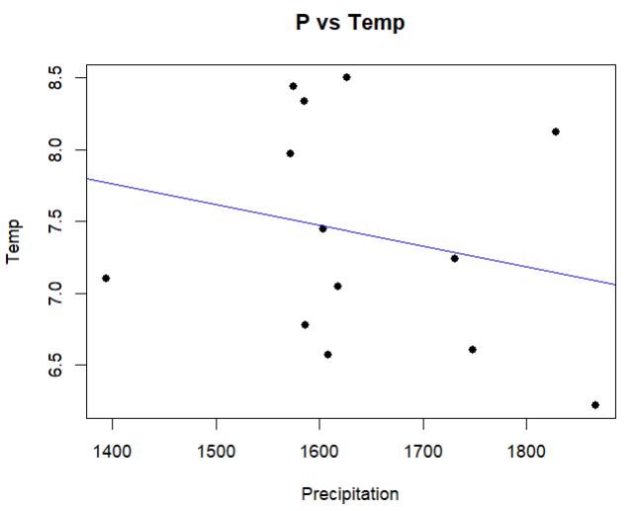
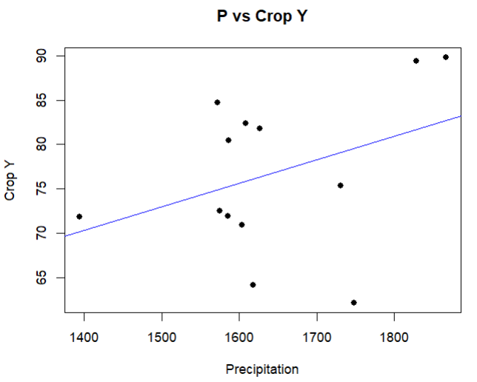
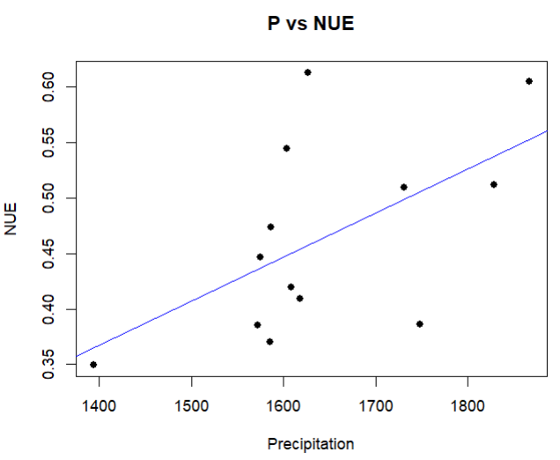
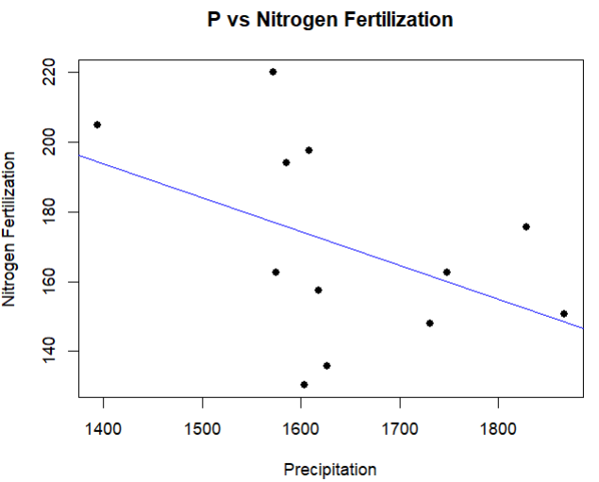
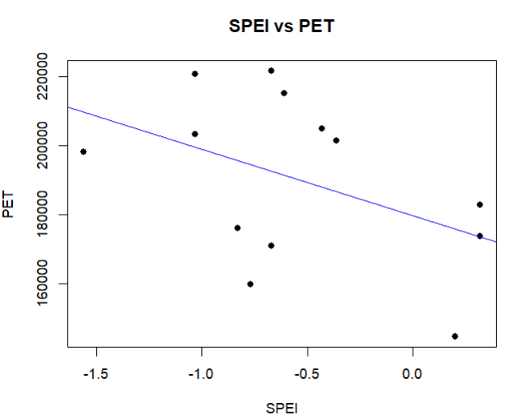
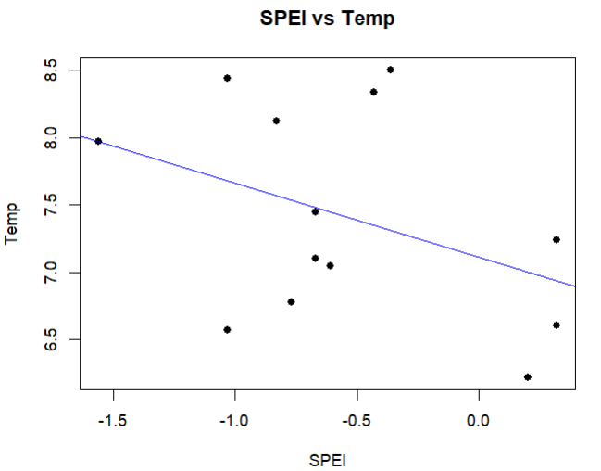
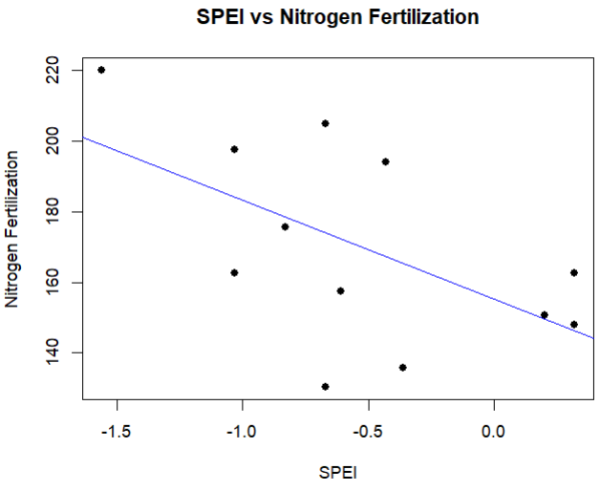
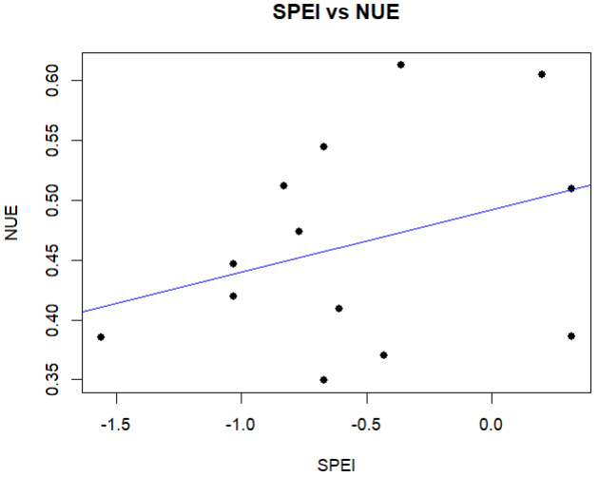
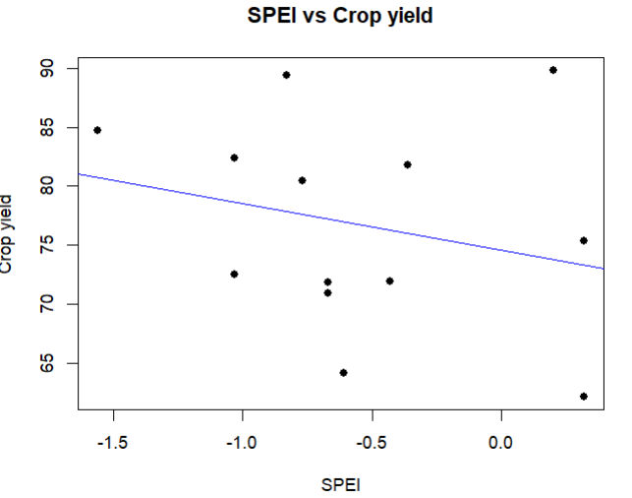
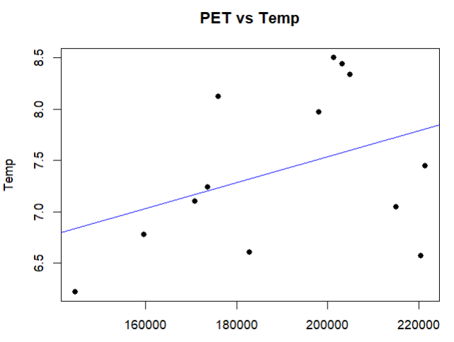
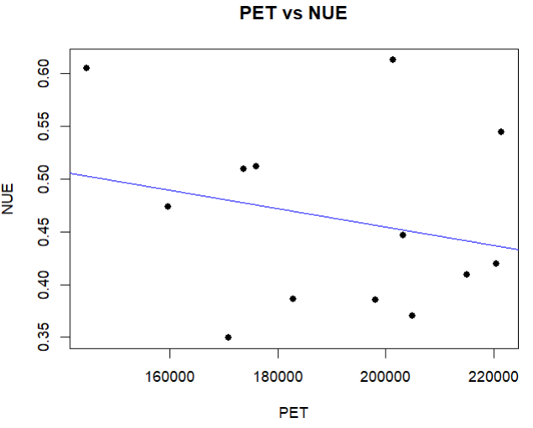
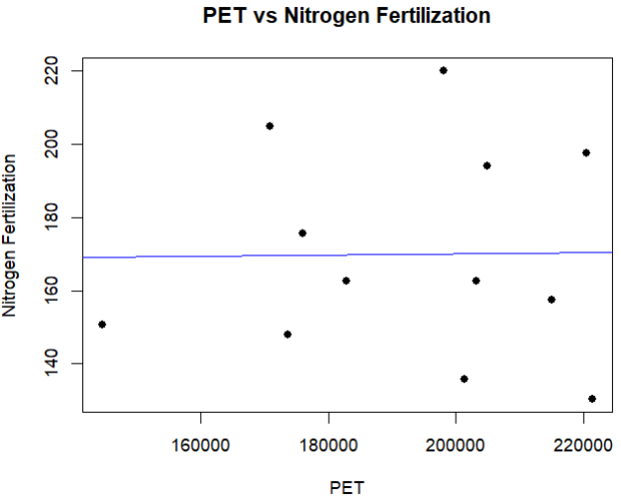
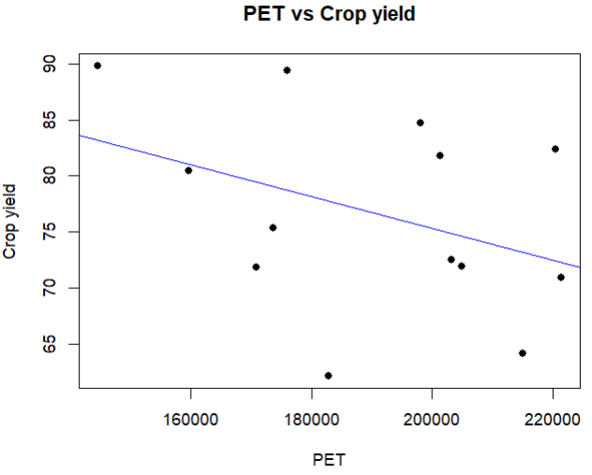
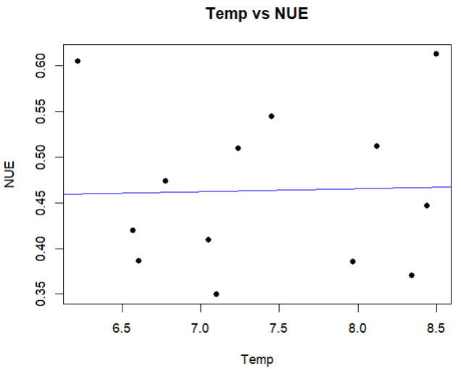
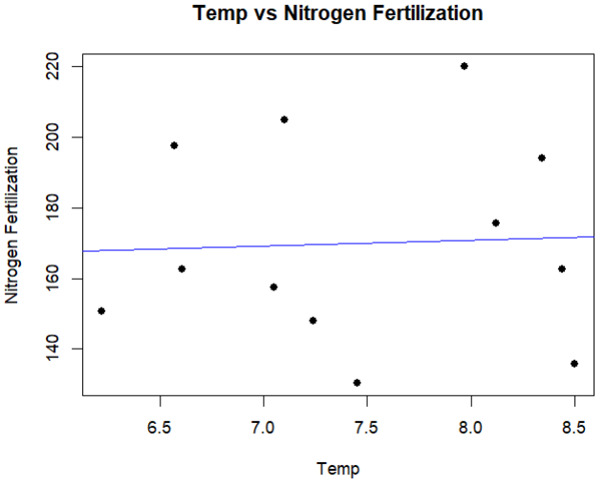
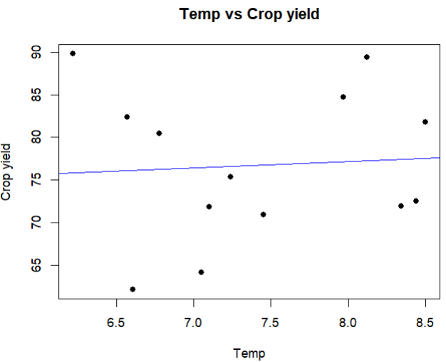
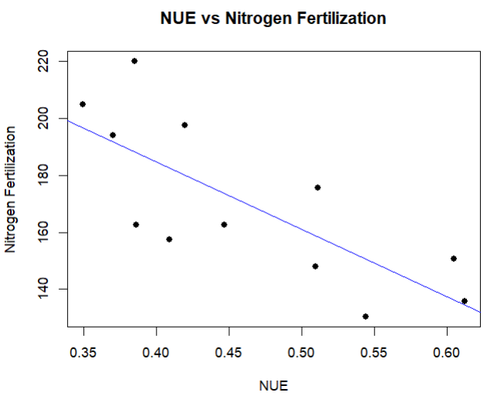
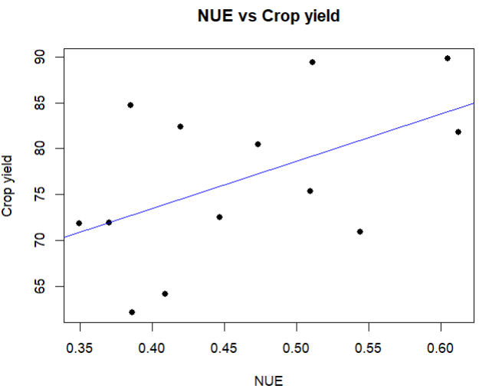
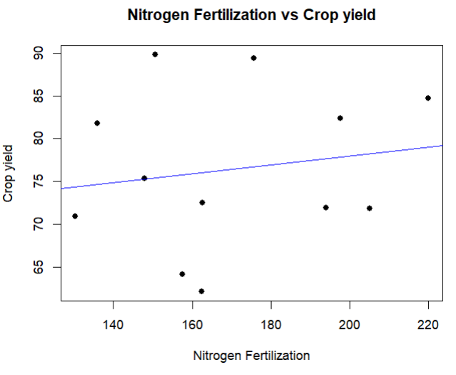
Year | Precipitation | SPEI-10 | PET | Temp | NUE | Nitrogen Fertilization | Crop yield
2008 | 1603.1 | -0.67 | 221524.7 | 7.45 | 0.54 | 130.31 | 70.94
2009 | 1617.7 | -0.61 | 215025.4 | 7.05 | 0.41 | 157.58 | 64.14
2010 | 1748 | 0.32 | 182838.1 | 6.61 | 0.38 | 162.53 | 62.11
2011 | 1609 | -1.03 | 220572.1 | 6.57 | 0.42 | 197.54 | 82.34
2012 | 1587 | -0.77 | 159719.3 | 6.78 | 0.49 | 161.33 | 79.45
2013 | 1867 | 0.20 | 144529.6 | 6.22 | 0.6 | 150.67 | 89.79
2014 | 1827.8 | -0.83 | 176065.4 | 8.12 | 0.51 | 175.71 | 89.41
2015 | 1571.6 | -1.56 | 198183.5 | 7.97 | 0.39 | 220 | 84.75
2017 | 1394.0 | -0.67 | 170795.7 | 7.10 | 0.35 | 205 | 71.8
2018 | 1575.3 | -1.03 | 203282.6 | 8.44 | 0.45 | 162.65 | 72.53
2019 | 1585.2 | -0.43 | 204913.8 | 8.34 | 0.37 | 194 | 71.9
2020 | 1626.4 | -0.36 | 201393.3 | 8.50 | 0.6 | 135.88 | 81.81
2021 | 1731 | 0.32 | 173711.9 | 7.24 | 0.51 | 148 | 75.33

Correlation
 | Precipitation | SPEI-10 | PET | Temp | NUE | Nitrogen Fertilization | Crop yield
Precipitation |  |  |  |  |  |  |  | Anova value
SPEI-10 | 0.531575 |  |  |  |  |  |  | 2.00E-16
PET | -0.3868104 | -0.4447314 |  |  |  |  |  | Null hypothesis rejected
Temp | -0.2286313 | -0.3955681 | 0.3914545 |  |  |  |  | Means of two or more group are not equal
NUE | 0.5638001 | 0.3323653 | -0.2403304 | 0.02850859
Nitrogen Fertilization | -0.4377402 | -0.5715771 | 0.01364648 | 0.04518588 | -0.7570249
Crop yield | 0.3712866 | -0.2497067 | -0.3859224 | 0.06490609 | 0.509206 | 0.1635781

Scatterplots (Precipitation)

Sheet1
Year | 2007 | 2008 | 2009 | 2010 | 2011 | 2012 | 2013 | 2014 | 2015 | 2016 | 2017 | 2018 | 2019 | 2020 | 2021
January |  | 120.9 | 74.5 | 114.3 | 160.1 | 297.4 | 232.0 | 152.0 | 244.1 | 264.0 | 111.5 | 292.8 | 236.8 | 68.1 | 192.7
Febuary |  | 82.6 | 128.7 | 116.2 | 24.3 | 72.9 | 202.7 | 52.7 | 46.4 | 197.4 | 98.7 | 86.6 | 100.6 | 304.2 | 127.7
March |  | 185.6 | 120.3 | 92.4 | 106.7 | 45.6 | 87.3 | 14.0 | 117.9 | 100.5 | 137.3 | 93.3 | 130.8 | 123.9 | 93.0
April |  | 252.3 | 76.6 | 60.0 | 53.4 | 113.0 | 89.2 | 81.6 | 130.9 | 126.3 | 189.1 | 33.3 | 41.1 | 69.2 | 67.5
May |  | 102.2 | 239.6 | 303.2 | 209.2 | 147.7 | 324.7 | 228.0 | 279.2 | 254.0 | 153.0 | 171.1 | 291.4 | 110.9 | 274.2
June |  | 219.1 | 321.8 | 270.8 | 260.7 | 302.6 | 335.5 | 112.8 | 215.7 | 283.2 | 159.3 | 229.4 | 129.3 | 344.5 | 289.4
July |  | 272.6 | 285.4 | 292.4 | 311.5 | 189.7 | 60.4 | 319.0 | 96.6 | 267.7 | 260.3 | 174.6 | 189.8 | 186.4 | 334.9
August |  | 219.3 | 141.5 | 364.1 | 196.2 | 332.3 | 216.6 | 270.4 | 116.0 | 173.0 | 274.0 | 181.5 | 239.5 | 284.3 | 317.3
September |  | 118.2 | 97.4 | 115.6 | 175.6 | 129.6 | 226.4 | 156.5 | 114.5 | 183.4 | 152.4 | 168.3 | 130.6 | 160.4
October | 16.2 | 120.6 | 160.1 | 74.2 | 131.6 | 130.0 | 165.7 | 200.3 | 139.8 | 99.1 | 147.6 | 113.5 | 156.8 | 185.3
November | 219.1 | 114.6 | 138.1 | 138.3 | 1.7 | 158.1 | 162.9 | 90.1 | 164.2 | 166.4 | 160.4 | 59.5 | 123.1 | 42.3
December | 132.5 | 135.6 | 200.3 | 270.2 | 284.6 | 246.9 | 32.0 | 150.4 | 58.0 | 19.3 | 186.2 | 292.4 | 139.3 | 124.1
 |  | 70.94 | 64.14 | 62.11 | 82.34 | 80.43 | 89.79 | 89.41 | 84.75 |  | 71.8 | 72.53 | 71.9 | 81.81 | 75.33
Year | Month | mm/month
2007 | Okt 07 | 16,2
 | Nov-07 | 219.1
 | Dec-07 | 132.5 |  |  | October to end of July |  | Have a look at the unit | Celcius
2008 | Jan-08 | 120.9 |  |  | Precipitation |  | PET | T | If we want to suppress the effects of nitrogen fertilizer when investigating the effects of drought on crop yield, it would make more sense if we check the relationihp between NUE and drought indices.
 | Feb-08 | 82.6 |  | Year | mm/year | SPEI-10 | W/m^2/year | Celcius | NUE | Nitrogen Fertilization | Crop yield
 | Mar-08 | 185.6 | 13 | 2008 | 1586.9 | -0.67 | 221524.7 | 7.45 | 0.54 | 130.31 | 70.94
 | Apr-08 | 252.3 | 12 | 2009 | 1617.7 | -0.61 | 215025.4 | 7.05 | 0.41 | 157.58 | 64.14
 | May-08 | 102.2 | 15 | 2010 | 1748 | 0.32 | 182838.1 | 6.61 | 0.38 | 162.53 | 62.11
 | Jun-08 | 219.1 | 13 | 2011 | 1609 | -1.03 | 220572.1 | 6.57 | 0.42 | 197.54 | 82.34
 | Jul-08 | 272.6 | 7 | 2012 | 1587 | -0.77 | 159719.3 | 6.78 | 0.49 | 161.33 | 79.45
 | Aug-08 | 219 | 3 | 2013 | 1867 | 0.20 | 144529.6 | 6.22 | 0.6 | 150.67 | 89.79
 | Sep-08 | 118 | 14 | 2014 | 1827.8 | -0.83 | 176065.4 | 8.12 | 0.51 | 175.71 | 89.41
 | Oct-08 | 120.6 | 4 | 2015 | 1571.6 | -1.56 | 198183.5 | 7.97 | 0.39 | 220 | 84.75 | Severe drought in this year, but the crop yield was maintained by giving more fertilizer to the soil.
 | Nov-08 | 114.6 | 2 | 2017 | 1394.0 | -0.67 | 170795.7 | 7.10 | 0.35 | 205 | 71.8
 | Dec-08 | 135.6 | 19 | 2018 | 1575.3 | -1.03 | 203282.6 | 8.44 | 0.45 | 162.65 | 72.53
2009 | Jan-09 | 74.5 | 1 | 2019 | 1585.2 | -0.43 | 204913.8 | 8.34 | 0.37 | 194 | 71.9
 | Feb-09 | 128.7 | 24 | 2020 | 1626.4 | -0.36 | 201393.3 | 8.50 | 0.6 | 135.88 | 81.81
 | Mar-09 | 120.3 | 3 | 2021 | 1731 | 0.32 | 173711.9 | 7.24 | 0.51 | 148 | 75.33
 | Apr-09 | 76.6
 | May-09 | 239.6
 | Jun-09 | 321.8 |  |  |  |  |  | Do ANOVA and correlation test
 | Jul-09 | 285.4 |  | Correlation test
 | Aug-09 | 142
 | Sep-09 | 97.4 |  | logged value
 | Oct-09 | 160 |  | Year | mm/year | SPEI-10 | W/m^2/year | Celcius | NUE | Nitrogen Fertilization | Crop yield
 | Nov-09 | 138.1 |  | 2008 | 3.2049606141 | -0.67 | 5.3454221571 | 0.87 | 0.5442 | 2.1149777448 | 1.8508911841
 | Dec-09 | 200.3 |  | 2009 | 3.2088979855 | -0.61 | 5.3324897642 | 0.85 | 0.4094 | 2.1975010961 | 1.8071289556
2010 | Jan-10 | 114.3 |  | 2010 | 3.242491735 | 0.32 | 5.2620666996 | 0.82 | 0.3861 | 2.2109335354 | 1.7931615292
 | Feb-10 | 116.2 |  | 2011 | 3.2064480644 | -1.03 | 5.343550578 | 0.82 | 0.4196 | 2.2956550494 | 1.9156108627
 | Mar-10 | 92.4 |  | 2012 | 3.2005221918 | -0.77 | 5.2033573981 | 0.83 | 0.4734 | #N/A | 1.9054180687
 | Apr-10 | 60 |  | 2013 | 3.2710977922 | 0.2 | 5.1599568007 | 0.79 | 0.605 | 2.1780267883 | 1.9532279716
 | May-10 | 303.2 |  | 2014 | 3.261928673 | -0.83 | 5.2456740177 | 0.91 | 0.5115 | 2.2447964787 | 1.9513860949
 | Jun-10 | 270.8 |  | 2015 | 3.1963420201 | -1.56 | 5.297067494 | 0.90 | 0.3852 | 2.3424226808 | 1.9281397069
 | Jul-10 | 292.4 |  | 2017 | 3.1442627738 | -0.67 | 5.2324769326 | 0.85 | 0.3495 | 2.3117538611 | 1.8561244442
 | Aug-10 | 364 |  | 2018 | 3.197363273 | -1.03 | 5.3081002067 | 0.93 | 0.4467 | 2.2112540676 | 1.8605176775
 | Sep-10 | 115.6 |  | 2019 | 3.2000840637 | -0.43 | 5.3115712071 | 0.92 | 0.3706 | 2.2878017299 | 1.8567288904
Years vs Temperature
 | Oct-10 | 74 |  | 2020 | 3.2112273656 | -0.36 | 5.3040450182 | 0.93 | 0.6126 | 2.1331555382 | 1.9128063927
 | Nov-10 | 138.3 |  | 2021 | 3.2383221564 | 0.32 | 5.2398295705 | 0.86 | 0.5095 | 2.1702617154 | 1.8769679674
 | Dec-10 | 270.2
2011 | Jan-11 | 160.1
 | Feb-11 | 24.3
 | Mar-11 | 106.7
 | Apr-11 | 53.4
 | May-11 | 209.2
 | Jun-11 | 260.7
 | Jul-11 | 311.5
 | Aug-11 | 196
 | Sep-11 | 175.6
 | Oct-11 | 132
 | Nov-11 | 1.7
 | Dec-11 | 284.6
2012 | Jan-12 | 297.4
 | Feb-12 | 72.9
 | Mar-12 | 45.6
 | Apr-12 | 113
 | May-12 | 147.7
 | Jun-12 | 302.6
 | Jul-12 | 189.7
 | Aug-12 | 332
 | Sep-12 | 129.6
 | Oct-12 | 130
 | Nov-12 | 158.1
 | Dec-12 | 246.9
2013 | Jan-13 | 232
 | Feb-13 | 202.7
 | Mar-13 | 87.3
 | Apr-13 | 89.2
 | May-13 | 324.7
 | Jun-13 | 335.5
 | Jul-13 | 60.4
 | Aug-13 | 217
 | Sep-13 | 226.4
 | Oct-13 | 166
 | Nov-13 | 162.9
 | Dec-13 | 32
2014 | Jan-14 | 152
 | Feb-14 | 52.7
 | Mar-14 | 14
 | Apr-14 | 81.6
 | May-14 | 228
 | Jun-14 | 112.8
 | Jul-14 | 319
 | Aug-14 | 270
 | Sep-14 | 156.5
 | Oct-14 | 200
 | Nov-14 | 90.1
 | Dec-14 | 150.4
2015 | Jan-15 | 244.1
 | Feb-15 | 46.4
 | Mar-15 | 117.9
 | Apr-15 | 130.9
 | May-15 | 279.2
 | Jun-15 | 215.7
 | Jul-15 | 96.6
 | Aug-15 | 116
 | Sep-15 | 114.5
 | Oct-15 | 140
 | Nov-15 | 164.2
 | Dec-15 | 58
2016 | Jan-16 | 264
 | Feb-16 | 197.4
 | Mar-16 | 100.5
Precipitation chart
 | Apr-16 | 126.3
 | May-16 | 254
 | Jun-16 | 283.2
 | Jul-16 | 267.7
 | Aug-16 | 173
 | Sep-16 | 183.4
 | Oct-16 | 99
 | Nov-16 | 166.4
 | Dec-16 | 19.3
2017 | Jan-17 | 111.5
 | Feb-17 | 98.7
 | Mar-17 | 137.3
 | Apr-17 | 189.1
 | May-17 | 153
 | Jun-17 | 159.3
 | Jul-17 | 260.3
 | Aug-17 | 274
 | Sep-17 | 152.4
 | Oct-17 | 148
 | Nov-17 | 160.4
 | Dec-17 | 186.2
2018 | Jan-18 | 292.8
 | Feb-18 | 86.6
 | Mar-18 | 93.3
 | Apr-18 | 33.3
 | May-18 | 171.1
 | Jun-18 | 229.4
 | Jul-18 | 174.6
 | Aug-18 | 182
 | Sep-18 | 168.3
 | Oct-18 | 114
 | Nov-18 | 59.5
 | Dec-18 | 292.4
2019 | Jan-19 | 236.8
 | Feb-19 | 100.6
 | Mar-19 | 130.8
 | Apr-19 | 41.1
 | May-19 | 291.4
 | Jun-19 | 129.3
 | Jul-19 | 189.8
 | Aug-19 | 240
 | Sep-19 | 130.6
 | Oct-19 | 157
 | Nov-19 | 123.1
 | Dec-19 | 139.3
2020 | Jan-20 | 68.1
 | Feb-20 | 304.2
 | Mar-20 | 123.9
 | Apr-20 | 69.2
 | May-20 | 110.9
 | Jun-20 | 344.5
 | Jul-20 | 186.4
 | Aug-20 | 284.3
 | Sep-20 | 160.4
 | Oct-20 | 185
 | Nov-20 | 42.3
 | Dec-20 | 124.1
2021 | Jan-21 | 192.7
 | Feb-21 | 127.7
 | Mar-21 | 93
 | Apr-21 | 67.5
 | May-21 | 274.2
 | Jun-21 | 289.4
 | Jul-21 | 334.9
 | Aug-21 | 317

Sheet3
SPEI
 | 2007-2008 | 2008-2009 | 2009-2010 | 2010-2011 | 2011-2012 | 2012-2013 | 2013-2014 | 2014-2015 | 2015-2016 | 2016-2017 | 2017-2018 | 2018-2019 | 2019-2020 | 2020-2021
October | -0.81 | -0.19 | 0.55 | -0.42 | 0.25 | -0.03 | 0.30 | 0.77 | 0.43 | 0.26 | 0.46 | -0.61 | 0.46 | 1.10
November | 1.01 | -0.35 | -0.18 | -0.38 | -2.70 | -0.28 | 0.56 | -1.30 | 0.03 | 0.34 | 0.75 | -1.59 | -0.12 | -1.78
December | -0.09 | -0.43 | 0.55 | 0.81 | 1.52 | 0.89 | -2.01 | -0.20 | -1.67 | -2.14 | 0.89 | 1.73 | -0.26 | -0.17
January | -0.92 | -1.25 | -0.07 | -0.07 | 1.76 | 0.85 | -0.43 | 0.96 | 1.41 | 0.47 | 1.68 | 1.76 | -1.41 | 0.68
February | -1.34 | 1.01 | -1.6 | -1.6 | 0.00 | 1.15 | -1.46 | -1.22 | 0.93 | -0.65 | 0.33 | -0.90 | 1.69 | -0.81
March | 1.12 | 1.30 | -0.65 | -0.65 | -1.90 | -0.23 | -1.68 | 0.15 | -0.12 | -0.11 | -0.14 | -0.32 | -0.15 | -0.44
April | 1.56 | -1.63 | -1.93 | -1.93 | -0.26 | -1.12 | -0.72 | -0.46 | -0.08 | 1.26 | -2.02 | -1.30 | -1.77 | -0.87
May | -1.69 | 0.17 | -0.23 | -0.23 | -0.88 | 1.70 | 0.96 | 1.35 | 0.93 | -0.27 | -0.34 | 1.95 | -0.80 | 1.25
June | -0.03 | 1.07 | 0.88 | 0.88 | 0.32 | 1.57 | -1.64 | 0.02 | 0.60 | -1.22 | -0.90 | -1.98 | 1.78 | -0.41
July | -0.49 | -0.02 | 0.44 | 0.44 | -0.63 | -2.13 | 1.03 | -1.88 | 0.74 | 0.01 | -1.13 | -1.02 | -0.92 | 0.79

Precipitation
 | 2007-2008 | 2008-2009 | 2009-2010 | 2010-2011 | 2011-2012 | 2012-2013 | 2013-2014 | 2014-2015 | 2015-2016 | 2016-2017 | 2017-2018 | 2018-2019 | 2019-2020 | 2020-2021
October | 16.2 | 120.6 | 160.1 | 74.2 | 131.6 | 130.0 | 165.7 | 200.3 | 139.8 | 99.1 | 147.6 | 113.5 | 156.8 | 185.3
November | 219.1 | 114.6 | 138.1 | 138.3 | 1.7 | 158.1 | 162.9 | 90.1 | 164.2 | 166.4 | 160.4 | 59.5 | 123.1 | 42.3
December | 132.5 | 135.6 | 200.3 | 270.2 | 284.6 | 246.9 | 32.0 | 150.4 | 58.0 | 19.3 | 186.2 | 292.4 | 139.3 | 124.1
January | 120.9 | 74.5 | 114.3 | 160.1 | 297.4 | 232.0 | 152.0 | 244.1 | 264.0 | 111.5 | 292.8 | 236.8 | 68.1 | 192.7
February | 82.6 | 128.7 | 116.2 | 24.3 | 72.9 | 202.7 | 52.7 | 46.4 | 197.4 | 98.7 | 86.6 | 100.6 | 304.2 | 127.7
March | 185.6 | 120.3 | 92.4 | 106.7 | 45.6 | 87.3 | 14.0 | 117.9 | 100.5 | 137.3 | 93.3 | 130.8 | 123.9 | 93.0
April | 252.3 | 76.6 | 60.0 | 53.4 | 113.0 | 89.2 | 81.6 | 130.9 | 126.3 | 189.1 | 33.3 | 41.1 | 69.2 | 67.5
May | 102.2 | 239.6 | 303.2 | 209.2 | 147.7 | 324.7 | 228.0 | 279.2 | 254.0 | 153.0 | 171.1 | 291.4 | 110.9 | 274.2
June | 219.1 | 321.8 | 270.8 | 260.7 | 302.6 | 335.5 | 112.8 | 215.7 | 283.2 | 159.3 | 229.4 | 129.3 | 344.5 | 289.4
July | 272.6 | 285.4 | 292.4 | 311.5 | 189.7 | 60.4 | 319.0 | 96.6 | 267.7 | 260.3 | 174.6 | 189.8 | 186.4 | 334.9

PET
 | 2007-2008 | 2008-2009 | 2009-2010 | 2010-2011 | 2011-2012 | 2012-2013 | 2013-2014 | 2014-2015 | 2015-2016 | 2016-2017 | 2017-2018 | 2018-2019 | 2019-2020 | 2020-2021
October | 9949.3 | 9568.5 | 10160.1 | 9387.0 | 10746.3 | 8278.3 | 8564.6 | 8829.1 | 12504.7 | 8287.6 | 14391.4 | 14610.0 | 11295.4 | 10527.0
November | 3867.7 | 4397.0 | 4883.9 | 4052.8 | 4059.4 | 2530.9 | 4007.7 | 3974.9 | 14104.0 | 4731.1 | 7011.6 | 5541.7 | 4854.6 | 4049.9
December | 2820.7 | 2486.4 | 1858.6 | 401.9 | 3302.4 | 2052.4 | 1829.8 | 4232.9 | 3993.8 | 2740.5 | 4531.6 | 6829.7 | 4395.2 | 1704.6
January | 3195.3 | 1753.6 | 798.1 | 859.6 | 4601.7 | 2033.8 | 1872.3 | 4107.0 | 4532.9 | 1544.0 | 5818.8 | 5623.4 | 3140.9 | 1625.7
February | 7747.6 | 1965.3 | 372.2 | 3614.7 | 2998.5 | 3211.2 | 5961.5 | 2754.6 | 11821.6 | 4547.3 | 6753.8 | 6286.0 | 14741.5 | 6408.5
March | 14009.7 | 9135.9 | 11506.1 | 15688.9 | 15906.2 | 9566.4 | 20264.8 | 19824.6 | 15533.8 | 16280.8 | 12542.0 | 24398.5 | 22783.7 | 18658.3
April | 19387.9 | 28025.6 | 23898.3 | 32026.5 | 20287.3 | 17665.7 | 25999.9 | 31308.1 | 26725.2 | 20035.2 | 32781.6 | 31980.5 | 36234.1 | 25605.7
May | 35912.7 | 32902.5 | 20540.4 | 37511.5 | 32447.7 | 23671.2 | 30952.3 | 30875.6 | 32778.0 | 32634.0 | 37723.9 | 29729.2 | 32285.8 | 30737.3
June | 35821.4 | 31516.5 | 29111.3 | 31304.8 | 31350.0 | 30985.3 | 42560.5 | 39354.7 | 33363.7 | 40971.3 | 39540.1 | 42456.5 | 32267.0 | 41925.6
July | 37413.6 | 36554.8 | 38927.5 | 31456.9 | 34019.8 | 44534.4 | 34052.0 | 52922.0 | 37543.5 | 39023.9 | 42187.8 | 37458.3 | 39395.1 | 32469.3

Temperature
 | 2007-2008 | 2008-2009 | 2009-2010 | 2010-2011 | 2011-2012 | 2012-2013 | 2013-2014 | 2014-2015 | 2015-2016 | 2016-2017 | 2017-2018 | 2018-2019 | 2019-2020 | 2020-2021
October | 7.7 | 8.55 | 7.9 | 6.65 | 7.6 | 7.4 | 9.3 | 10.4 | 7.9 | 7.7 | 10.6 | 10.8 | 10.7 | 9.1
November | 1.75 | 4.05 | 6.45 | 3.95 | 1.85 | 3.8 | 3.5 | 5 | 7 | 3.6 | 4.2 | 4.5 | 4.7 | 5.0
December | -0.14 | 0.55 | 0.15 | -3.15 | 2.35 | 0.5 | 1.4 | 2.1 | 4.8 | -0.1 | 1 | 2.7 | 3 | 1.5
January | 2.35 | -3.25 | -3.55 | -0.75 | 0.35 | -0.7 | 1.8 | 0.6 | 0.7 | -5.3 | 3.5 | -1 | 2 | -1
February | 3.05 | -0.95 | -1.45 | -0.05 | -4.75 | -2.4 | 3.2 | -2.1 | 4 | 2.6 | -2.6 | 2.5 | 4.8 | 3
March | 3.75 | 3.35 | 3.65 | 4.65 | 6.15 | 1.1 | 6.7 | 5.2 | 4 | 6.8 | 2.9 | 6.6 | 5 | 4.4
April | 7.65 | 11.55 | 7.95 | 10.55 | 7.85 | 8.1 | 10.1 | 8.5 | 8.4 | 7.1 | 13 | 9.5 | 10.4 | 5.8
May | 14.05 | 14.15 | 10.65 | 13.15 | 13.05 | 10.9 | 11.8 | 13 | 12.2 | 13.2 | 15.6 | 10.5 | 11.5 | 9.8
June | 17.05 | 14.85 | 15.65 | 15.55 | 16.3 | 15 | 16.2 | 16.7 | 16 | 17.8 | 17.4 | 19.1 | 15.4 | 18
July | 17.45 | 17.65 | 18.75 | 15.15 | 17.2 | 19 | 17.7 | 20.8 | 18.3 | 18.1 | 19.3 | 18.7 | 18 | 17.3

NUE | 0.5442 | 0.4094 | 0.3861 | 0.4196 | 0.4734 | 0.605 | 0.5115 | 0.3852 | #N/A | 0.3495 | 0.4467 | 0.3706 | 0.6126 | 0.5095
Nitrogen Fertilization | 130.31 | 157.58 | 162.53 | 197.54 | #N/A | 150.67 | 175.71 | 220 | #N/A | 205 | 162.65 | 194 | 135.88 | 148
Crop yield | 70.94 | 64.14 | 62.11 | 82.34 | 80.43 | 89.79 | 89.41 | 84.75 | #N/A | 71.8 | 72.53 | 71.9 | 81.81 | 75.33

